Help
BUILDINGS THAT COULD AFFECT DISPERSION

All buildings that could affect dispersion need to be considered during screening. This includes the building on which the stack is located. Buildings that could affect dispersion from a stack are any building that is both: • within 5L of the stack • has a height more than 40% of the stack height For each building 'L' is the lowest of either: • the height of the building • the maximum projected width, which is the greatest width between 2 points (for example opposing corners of a roof) Where there are multiple buildings that could affect dispersion, they should be combined into a simplified block. The height of the simplified block should be set to the tallest building.

Example 1
A 20 m stack is located on a 17 m building (Building A). There is another 19 m high building nearby, 14 m from the stack (Building B).

 | Building A | Building B
Height (m) | 17 | 19
Length (m) | 20 | 30
Width (m) | 10 | 20
Max projected width (m) | 22.4 | 36.1
L (m) | 17 | 19
5L (m) | 85 | 95
Distance from stack (m) | 0 | 14
Building height/stack height | 85% | 95%
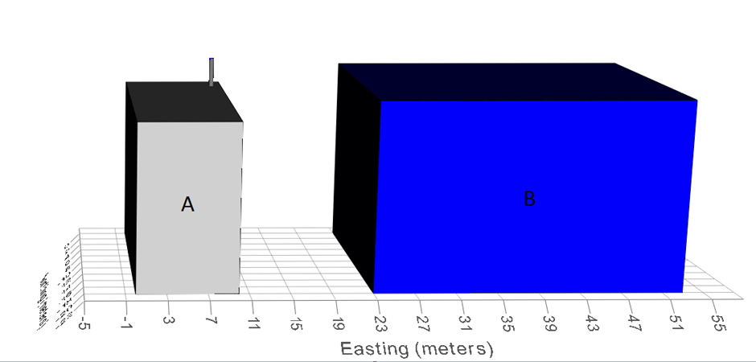

Figure 1 - Building A and B affect dispersion from 20 m stack (edited screenshot from BREEZE Downwash Analyst)

The stack is located on Building A and the building height is more than 40% of the stack height. Building A will affect dispersion from the stack. Building B is within 5L and has height more than 40% of the stack height. Building B will also affect dispersion from the stack. Building A and B need to be combined into a simplified block with a height equal to Building B, since this is the tallest of the two buildings that affect dispersion from the stack.

Combined simplified block building
Height (m) | 19
Length (m) | 53
Width (m) | 20

Example 2
A 20 m stack is located on a 17 m building (Building A). There is another 7 m high building nearby, 14 m from the stack (Building B).

 | Building A | Building B
Height (m) | 17 | 7
Length (m) | 20 | 30
Width (m) | 10 | 20
Max projected width (m) | 22.4 | 36.1
L (m) | 17 | 7
5L (m) | 85 | 35
Distance from stack (m) | 0 | 14
Building height/stack height | 85% | 35%
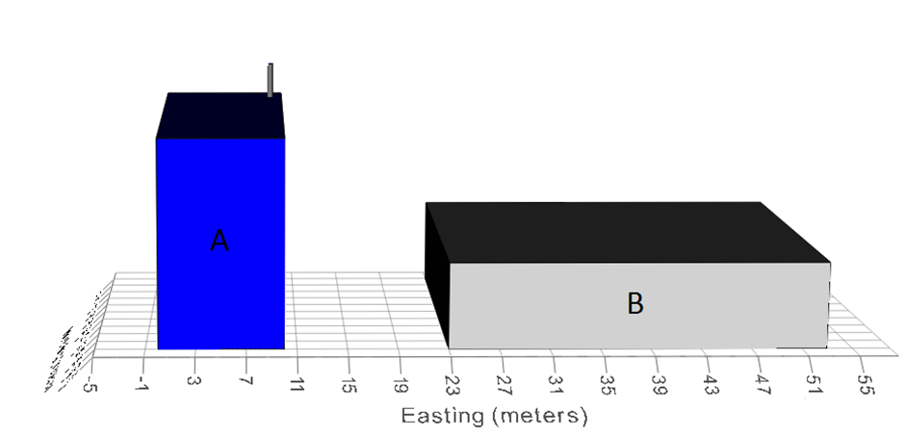

Figure 2 - Building B too low to affect dispersion from 20 m stack (edited screenshot from BREEZE Downwash Analyst)

The stack is located on Building A and the building height is more than 40% of the stack height. Building A will affect dispersion from the stack. Building B is within 5L, however its height is less than 40% of the stack height. Building B will not affect dispersion from the stack and can be ignored. Building A dimensions need to be used for screening.

Example 3
A 20 m stack is located on a 17 m building (Building A). There is another 19 m high building nearby, 99 m from the stack (Building B).

 | Building A | Building B
Height (m) | 17 | 19
Length (m) | 20 | 30
Width (m) | 10 | 20
Max projected width (m) | 22.4 | 36.1
L (m) | 17 | 19
5L (m) | 85 | 95
Distance from stack (m) | 0 | 99
Building height/stack height | 85% | 95%

Figure 3 - Building B too far away to affect dispersion from 20 m stack (edited screenshot from BREEZE Downwash Analyst)

The stack is located on Building A and the building height is more than 40% of the stack height. Building A will affect dispersion from the stack. Building B is beyond 5L, despite its height being more than 40% of the stack height. Building B will not affect dispersion from the stack and can be ignored. Building A dimensions need to be used for screening.

RELEVANT PUBLIC EXPOSURE

Sensitive human health receptors are located where there is relevant public exposure. Relevant public exposure are locations where members of the public have access, are regularly present and can be exposed for a significant portion of the averaging time of the standard. The nitrogen dioxide standards are 40 µg/m3 as an annual mean, and 200 µg/m3 as an hourly mean, not to be exceeded more than 18 times (hours) per calendar year. These standards do not apply where health and safety at work provisions exist and where members of the public do not have access.

Annual mean exposure
Example locations of annual mean public exposure include, but are not limited to: residential propoerties, schools, hospitals and cares homes.

Hourly mean exposure
Example locations of hourly mean public exposure include, but are not limited to: residential propoerties, schools, hospitals, cares homes, busy shopping streets, bus stations and railway stations that are not fully enclosed, and car parks where the public are reasonably expected to spend an hour or more.

Roadside locations
Public exposure can occur at roadside and non-roadside loactions. At roadside locations road traffic sources lead increased backgrounds compared to the baseline backgrounds away from busy roads. Examples of roadside loactions and public exposure within 15 m of the road include: • Narrow congested streets with residential propoerties close to the kerbs (5,000 vehicles/day) • Busy streets where people may spednd 1 hour or more close to traffic (10,000 vehicles/day) • Junctions (10,000 vehicles/day) • Bus and coach stations, not fully enclosed (2,500 movements/day) Traffic flow data should be available for the major road networks in urban areas from the relevant local authority, as this data is needed to conduct their Local Air Quality Manegament Assessments.

